Example Background
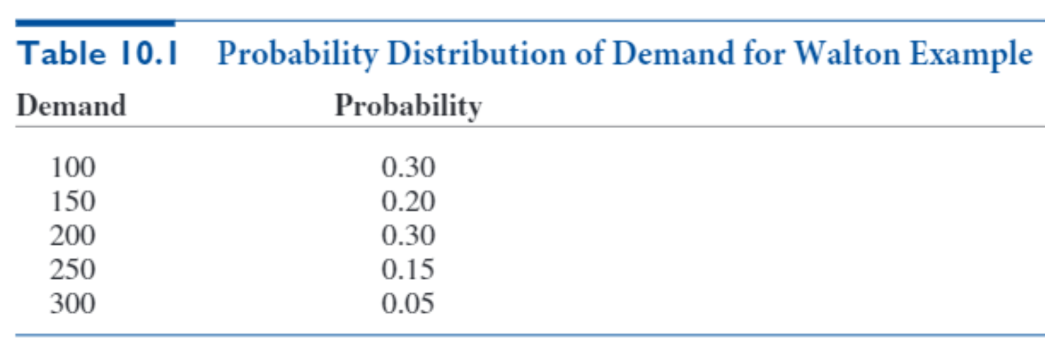
Recall that Walton Bookstore must decide how many of next year’s nature calendars to
order. Each calendar costs the bookstore $7.50 and sells for $10. After January 1, all
unsold calendars will be returned to the publisher for a refund of $2.50 per calendar. In this
version, we assume that demand for calendars (at the full price) is given by the probability
distribution shown in Table 10.1. Walton wants to develop a simulation model to help it
decide how many calendars to order.

Model
Simulation of Walton's bookstore

Cost data |  |  |  | Demand distribution
Unit cost | $7.50 |  | Cum probability | Demand | Probability
Unit price | $10.00 |  | 0.00 | 100 | 0.30 |  |  |  |  | Data Table
Unit refund | $2.50 |  | 0.30 | 150 | 0.20 |  |  |  |  | order q | Profit
 |  |  | 0.50 | 200 | 0.30 |  |  |  |  |  | -$192.38
Decision variable |  |  | 0.80 | 250 | 0.15 |  |  |  |  | 100 | 250
Order quantity | 300 |  | 0.95 | 300 | 0.05 |  |  |  |  | 125 | 255.6875
 |  |  |  |  |  |  |  |  |  | 150 | 264.375
Summary measures for simulation below |  |  |  |  |  |  |  |  |  | 175 | 221.3125
Average profit | -$192.38 |  |  |  |  |  |  |  |  | 200 | 198.5
Stdev of profit | $448.63 |  |  |  |  |  |  |  |  | 225 | 130.6875
Minimum profit | -$750.00 |  |  |  |  |  |  |  |  | 250 | 44.875
Maximum profit | $750.00 |  |  |  |  |  | Dsitribution of profits |  |  | 275 | -79
 |  |  |  |  |  |  | Value | Frequency | Rel.Frequency | 300 | -175.875
Simulation |  |  |  |  |  |  | -250 | 0 | 0
Replication | Random # | Demand | Revenue | Cost | Refund | Profit | 125 | 0 | 0
1 | 0.39707528497 | 150 | 1500 | 2250 | 375 | -375 | 500 | 0 | 0
2 | 0.27353259718 | 100 | 1000 | 2250 | 500 | -750
...

